BUA 2021 Census
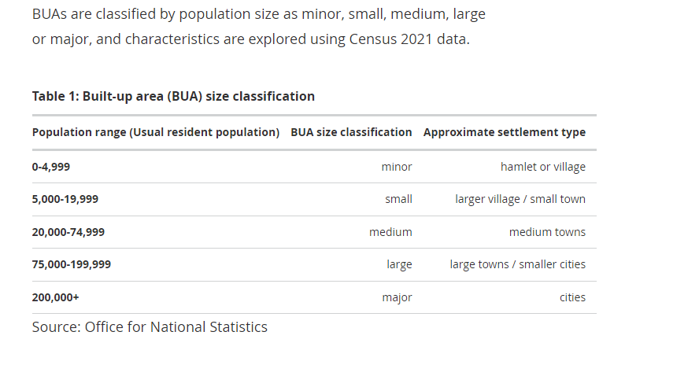
Usual resident population by individual BUA, England (excluding London), 2021
Source: Census 2021 from the Office for National Statistics
Country code | Country | Region code | Region | BUA code | BUA name | BUA size classification | Counts | LA
E92000001 | England | E12000008 | South East | E63005832 | Alton (East Hampshire) | Small | 17,880 | Hampshire
E92000001 | England | E12000008 | South East | E63005681 | Andover | Medium | 48,480 | Hampshire
E92000001 | England | E12000008 | South East | E63005538 | Basingstoke | Large | 117,210 | Hampshire
...
Towns and cities, characteristics of built-up areas, England and Wales - Office for National Statistics
Link above includes a map showing areas

